Top Performing results (2)
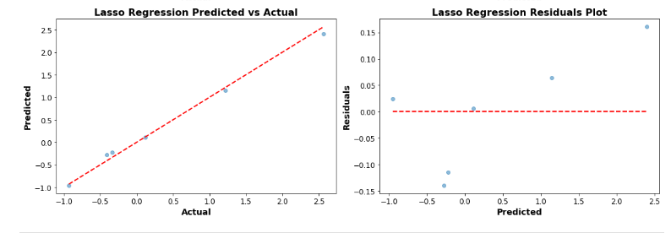
 | Top Performing Machine Model and Results for Production Tanks 22 MT Gum Addition Phase
Model Type | Model | Train MSE | Train MSE- Tuned | Test MSE | Test MSE- Tuned | Train R2 | Train R2- Tuned | Test R2 | Test R2- Tuned | Best Parameters
Linear | Linear Regression | 0.02 | 0.02 | 0.01 | 0.01 | 0.98 | 0.98 | 0.99 | 0.99

